Calculator
This tab includes two calculators: 1. The first calculator determines the number of credit hours based on contact hours and course type, following the Instructional Time Per Credit Hour guidelines. 2 The second calculator determines the required minutes or hours per class meeting based on the course length and meeting pattern (Minimum Number of Minutes Per Class)
Instructional Time Per Credit Hour
Purpose: | Use the calculator below to determine the credit hours associated with instructional time for each course type.
Directions: | 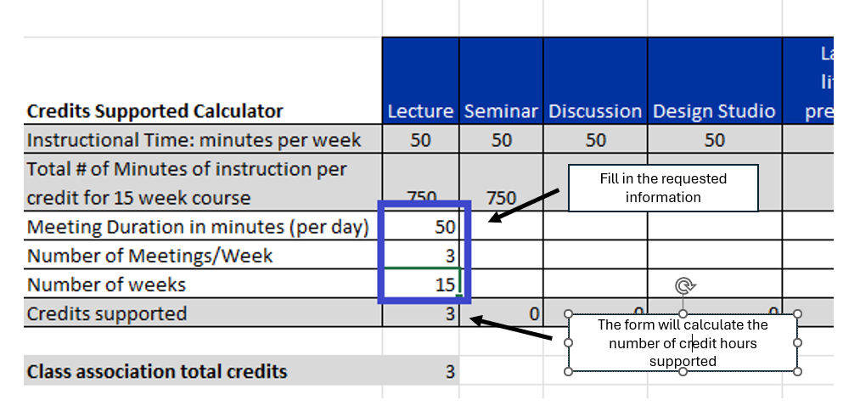

 | Course Type
 | Courses with Classroom Based Instructional Time 1 contact hour = 50 minutes |  |  |  |  |  |  | Experiential Courses Experiential courses require an equivalent amount of time to meet credit hour standards. The federal credit hour definition equates to 2,250 minutes per credit hour, which translates to 37.5 clock hours or 45 contact hours. Some experiential courses, particularly at the graduate level, require more hands-on time to achieve equivalency and are assigned a 4:0 ratio to reflect the increased instructional hours.
 | Lecture/Seminar/Discussion/ Recitation/Colloquim courses Require 50-minutes of in-class instruction with two hours of outside study for each course |  |  |  |  | Studio/Lab Courses Courses require between 100-150 minutes of inside classroom work depending on the expectations outside of the classroom
Credits Supported Calculator | Lecture (1:2) | Seminar (1:2) | Discussion (1:2) | Recitation (1:2) | Colloquim (1:2) | Studio OR Lab with little/no prepartion (3:0) | Studio OR Lab with signicant preparation (2:1) | Experiential courses (3:0) | High-contact experiential courses (4:0)
Instructional Time: minutes per week | 50 | 50 | 50 | 50 | 50 | 150 | 100 | 150 | 200
Total # of Minutes of instruction per credit for 15 week course | 750 | 750 | 750 | 750 | 750 | 2250 | 1500 | 2250 | 3000
Meeting Duration in minutes (per day)
Number of Meetings/Week
Number of weeks
Credits supported | 0 | 0 | 0 | 0 | 0 | 0 | 0 | 0 | 0

Class associated total credits | 0

 | Number of Minutes Per Class
Purpose: | Use the calculator below to determine the minutes required per class meeting to maintain comparable contact hours across different meeting patterns and semester lengths.
Directions: | 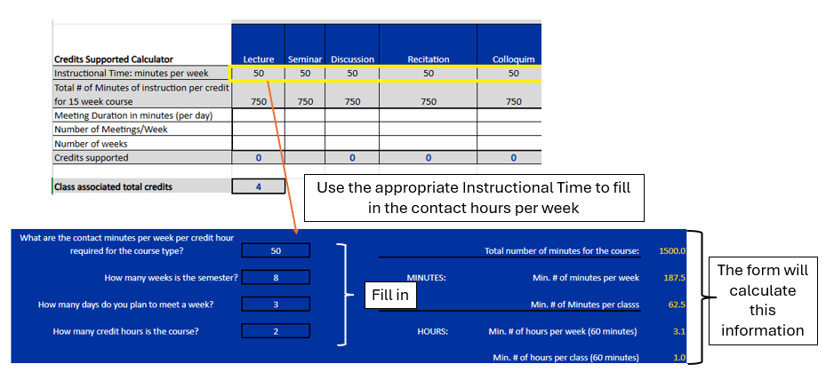

 |  | Select type of Course |  | Lecture/Seminar/Discussion

 | What are the contact minutes per week per credit hour required for the course type? |  |  |  |  |  |  |  |  |  | RANGE:
 |  |  |  |  | 50 | 1500 |  |  | Total number of contact minutes for the course: | 1500.0 | 1125.00 - 1867.50

 | How many weeks is the semester? |  |  |  | 8 |  | MINUTES: |  | Min. # of contact minutes per week | 187.5

 | How many days do you plan to meet a week? |  |  |  | 3 |  |  |  | Min. # of contact minutes per classs | 62.5

 | How many credit hours is the course? |  |  |  | 2 | 1.5 | CLOCK HOURS: |  | Min. # of hours per week (60 minutes) | 3.1 | 3 hours and 7.5 minutes
 |  |  |  |  |  | 2.49
 |  |  |  |  |  |  |  |  | Min. # of hours per class (60 minutes) | 1.0 | 1 hour and 2.5 minutes

 |  |  |  | Outside Class Time (Do not edit)
 | What are the outside minutes per week per credit hour required for the course type?
 |  |  |  |  | 100 | 750 |  |  | Total number of contact minutes for the course: | 3000.0

 | How many weeks is the semester? |  |  |  | 8 |  | MINUTES: |  | Min. # of contact minutes per week | 375.0

 | How many days do you plan to meet a week? |  |  |  | 3

 | How many credit hours is the course? |  |  |  | 2 | 1.5 | CLOCK HOURS: |  | Min. # of hours per week (60 minutes) | 6.3
 |  |  |  |  |  | 2.49

Calculate the number of minutes in a course
Start Time: | 12:00:00 | Should be entered in military time
End Time: | 13:50:00 | Should be entered in military time
Total # of Minutes : | 110

